Foglio1
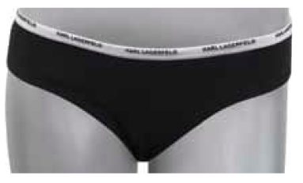
GENDER | CODE | ARTICLE | COLOUR | COMPOSITION | SIZE | SIZE | SIZE | SIZE | SIZE | SIZE | TOTALE
 |  |  |  |  | XS | S | M | L | XL | XXL
WOMAN | KLU00061 | TANGA | BLACK | 90% COTT. 10% ELAX | 280 | 1360 | 2200 | 1424 | 286 |  | 5550

WOMAN | KLU00066 | TANGA | WHITE | 90% COTT.10% ELAX | 288 | 1475 | 2272 | 1526 | 300 |  | 5861

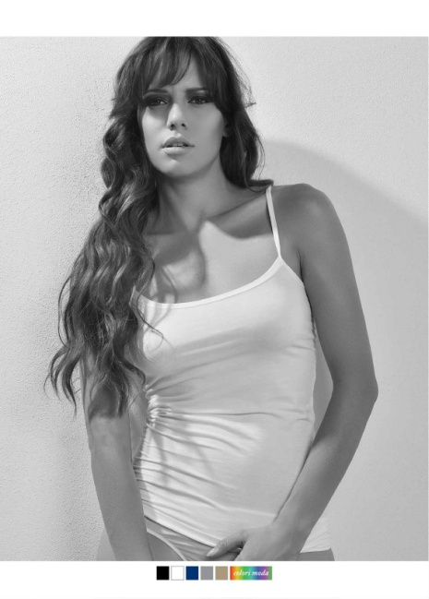

WOMAN | KLU00072 | TOP | BLACK | 90% COTT.10% ELAX |  | 414 | 956 | 477 |  |  | 1847

WOMAN | KLU00077 | TOP | WHITE | 90% COTT.10% ELAX |  | 495 | 1084 | 538 |  |  | 2117

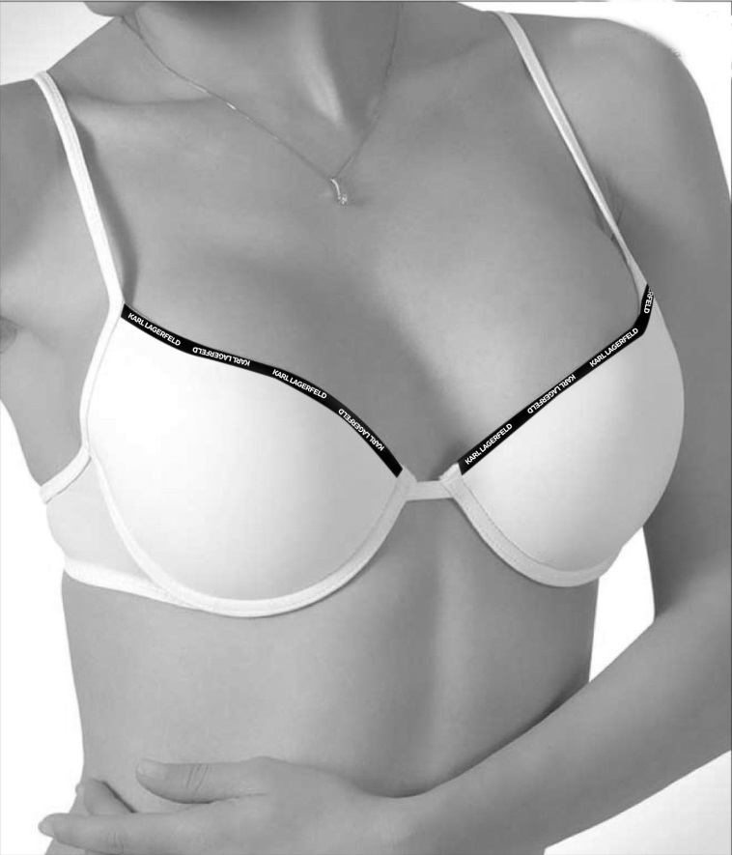

WOMAN | KLU00041 | SET BRA+SLIP | BLACK | 90% COTT.10% ELAX | 257 | 1228 | 2103 | 1312 | 272 |  | 5172

WOMAN | KLU00046 | SETA BRA+SLIP | WHITE | 90% COTT.10% ELAX | 270 | 1360 | 2296 | 1464 | 288 |  | 5678

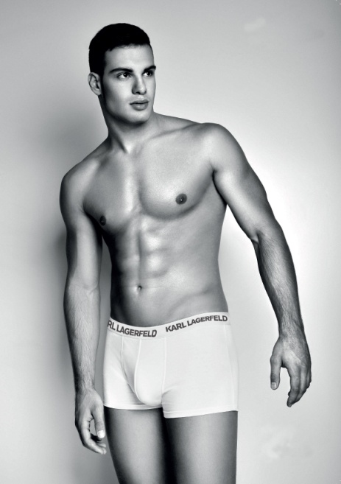

MEN | KLU00001 | BOXER | BLACK | 90% COTT.10% ELAX |  | 1023 | 1895 | 1934 | 1816 | 1026 | 7694

MEN |  |  |  | 90% COTT.10% ELAX |  | 1072 | 2044 | 2086 | 1830 | 1105 | 8137

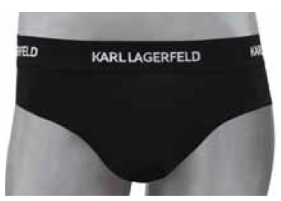

MEN | KLU00022 | SLIP | BLACK | 90% COTT.10% ELAX |  |  | 516 | 740 | 736 | 508 | 2500

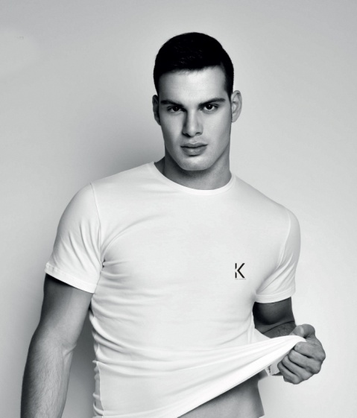

MEN | KLU00031 | T-SHIRT | BLACK | 90% COTT.10% ELAX |  | 240 | 723 | 1000 | 768 | 250 | 2981

MEN | KLU00036 | T-SHIRT | WHITE | 90% COTT.10% ELAX |  | 256 | 782 | 1112 | 840 | 276 | 3266

 |  |  |  |  |  |  |  |  |  |  | 50803

